Pivot table
Count of Male & Female |  |  | Top 10 Expensive Car
Gender | Count of Gender |  | Gender | Sum of Price ($)
Female | 5108 |  | Chevrolet | $47,655,265
Male | 18798 |  | Ford | $47,231,583
Grand Total | 23906 |  | Dodge | $44,124,996
 |  |  | Oldsmobile | $35,434,512
 |  |  | Mercedes-B | $34,624,123
Annual Income of Male & Female |  |  | Volkswagen | $34,082,881
Gender | Average of Annual Income |  | Mitsubishi | $34,062,466
Female | $755,973 |  | Toyota | $32,759,564
Male | $851,184 |  | Chrysler | $29,141,873
Grand Total | $830,840 |  | Lexus | $27,287,703
 |  |  | Cadillac | $26,713,805
 |  |  | Mercury | $24,939,733
Total Sales |  |  | Nissan | $23,964,095
Sum of Price ($) |  |  | Pontiac | $23,369,207
$671,525,465 |  |  | Volvo | $21,925,200
 |  |  | Honda | $19,882,735
 |  |  | BMW | $19,821,592
Number of Cars Sold |  |  | Saturn | $18,220,269
Count of Model |  |  | Plymouth | $18,142,873
23906 |  |  | Acura | $17,058,649
 |  |  | Lincoln | $15,452,262
 |  |  | Buick | $14,765,485
Number of Car Brand |  |  | Subaru | $11,312,193
Gender | Count of Company |  | Audi | $10,694,638
Sales by State
Acura | 689 |  | Porsche | $8,185,637
Audi | 468 |  | Saab | $7,668,431
BMW | 790 |  | Jeep | $7,643,814
Buick | 439 |  | Infiniti | $5,717,040
Cadillac | 652 |  | Hyundai | $5,117,966
Chevrolet | 1819 |  | Jaguar | $4,524,875
Chrysler | 1120
Dodge | 1671
Ford | 1614
Honda | 708
Hyundai | 264
Infiniti | 195
Jaguar | 180
Jeep | 363
Lexus | 802
Lincoln | 492
Mercedes-B | 1285
Mercury | 874 |  | Average Sales
Mitsubishi | 1277 |  | Average of Price ($)
Nissan | 886 |  | $28,090
Oldsmobile | 1111
Plymouth | 617 |  |  |  | Region by Sales
Pontiac | 796 |  | Transmission Type |  | Region | Sum of Price ($)
Porsche | 361 |  | Transmission | Count of Car_id | Austin | $117,192,531
Saab | 210 |  | Auto | 12571 | Janesville | $106,351,234
Saturn | 586 |  | Manual | 11335 | Scottsdale | $95,969,374
Subaru | 405 |  |  |  | Aurora | $88,687,382
Toyota | 1110 |  |  |  | Greenville | $88,149,602
Volkswagen | 1333 |  |  |  | Pasco | $88,040,714
Volvo | 789 |  |  |  | Middletown | $87,134,628
30 |  |  |  |  | Grand Total | $671,525,465

Average Sales
Average of Price ($) | Column Labels
Gender | High Income | Low Income | Medium Income
Acura |  | $24,742 | $27,000
Audi |  | $22,829 | $26,434
BMW |  | $25,057 | $34,000
Buick |  | $33,570 | $62,000
Cadillac |  | $41,041 | $35,463
Chevrolet |  | $26,184 | $30,667
Chrysler |  | $26,028 | $24,100
Average Car Prices by Brand and Buyer Income Group
 | High Income | Low Income | Medium Income
Acura |  | $24,742 | $27,000
Audi |  | $22,829 | $26,434
BMW |  | $25,057 | $34,000
Buick |  | $33,570 | $62,000
Cadillac |  | $41,041 | $35,463
Chevrolet |  | $26,184 | $30,667
Chrysler |  | $26,028 | $24,100
Dodge |  | $26,397 | $28,325
Ford |  | $29,273 | $26,876
Honda |  | $28,103 | $14,000
Hyundai | $21,000 | $19,387 | $18,501
Infiniti |  | $29,361 | $21,000
Jaguar |  | $25,138
Jeep |  | $20,923 | $33,125
Lexus |  | $34,018 | $39,000
Lincoln |  | $31,407
Mercedes-B | $85,000 | $26,928 | $22,313
Mercury |  | $28,457 | $42,200
Mitsubishi |  | $26,642 | $32,443
Nissan |  | $27,069 | $25,364
Oldsmobile | $26,001 | $31,875 | $41,000
Plymouth |  | $29,417 | $22,001
Pontiac |  | $29,308 | $69,200
Porsche |  | $22,669 | $23,334
Saab |  | $36,516
Saturn |  | $31,104 | $27,750
Subaru |  | $27,881 | $38,150
Toyota |  | $29,533 | $26,813
Volkswagen |  | $25,568 | $25,638
Volvo |  | $27,819 | $21,875
Dodge |  | $26,397 | $28,325
Ford |  | $29,273 | $26,876
Honda |  | $28,103 | $14,000
Hyundai | $21,000 | $19,387 | $18,501
Infiniti |  | $29,361 | $21,000
Jaguar |  | $25,138
Jeep |  | $20,923 | $33,125
Lexus |  | $34,018 | $39,000
Lincoln |  | $31,407
Mercedes-B | $85,000 | $26,928 | $22,313
Mercury |  | $28,457 | $42,200
Mitsubishi |  | $26,642 | $32,443
Nissan |  | $27,069 | $25,364
Oldsmobile | $26,001 | $31,875 | $41,000
Plymouth |  | $29,417 | $22,001
Pontiac |  | $29,308 | $69,200
Porsche |  | $22,669 | $23,334
Saab |  | $36,516
Saturn |  | $31,104 | $27,750
Subaru |  | $27,881 | $38,150
Toyota |  | $29,533 | $26,813
Volkswagen |  | $25,568 | $25,638
Volvo |  | $27,819 | $21,875

Dashboard
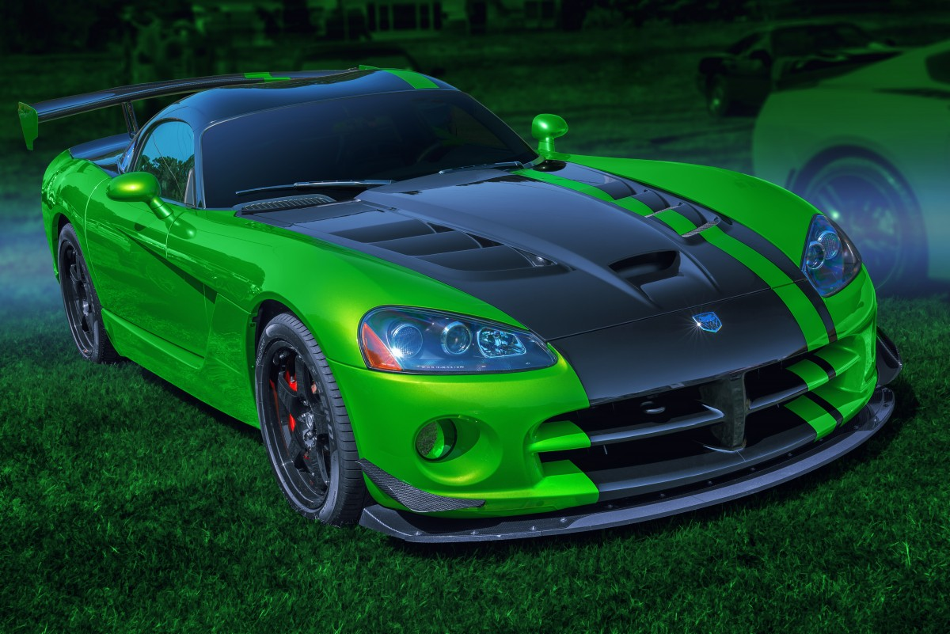
Car Sales Analysis Dashboard

Total Sales
No. of Cars Sold
No. of Car Brands
Avg. Selling Price

$671,525,465
23906
30
$28,090

Transmission Type
 | Total
Auto | 12571
Manual | 11335
Gender by Number of Cars Sold
 | Total
Female | 5108
Male | 18798
Avg. Annual Income by Gender
 | Total
Female | $755,973
Male | $851,184
20 Most Expensive Car Brands
 | Total
Chevrolet | $47,655,265
Ford | $47,231,583
Dodge | $44,124,996
Oldsmobile | $35,434,512
Mercedes-B | $34,624,123
Volkswagen | $34,082,881
Mitsubishi | $34,062,466
Toyota | $32,759,564
Chrysler | $29,141,873
Lexus | $27,287,703
Cadillac | $26,713,805
Mercury | $24,939,733
Nissan | $23,964,095
Pontiac | $23,369,207
Volvo | $21,925,200
Honda | $19,882,735
BMW | $19,821,592
Saturn | $18,220,269
Plymouth | $18,142,873
Acura | $17,058,649
Lincoln | $15,452,262
Buick | $14,765,485
Subaru | $11,312,193
Audi | $10,694,638
Porsche | $8,185,637
Saab | $7,668,431
Jeep | $7,643,814
Infiniti | $5,717,040
Hyundai | $5,117,966
Jaguar | $4,524,875

23906

Sales by State
 | Total
Austin | $117,192,531
Janesville | $106,351,234
Scottsdale | $95,969,374
Aurora | $88,687,382
Greenville | $88,149,602
Pasco | $88,040,714
Middletown | $87,134,628
Average Car Prices by Brand and Buyer Income Group
 | High Income | Low Income | Medium Income
Acura |  | $24,742 | $27,000
Audi |  | $22,829 | $26,434
BMW |  | $25,057 | $34,000
Buick |  | $33,570 | $62,000
Cadillac |  | $41,041 | $35,463
Chevrolet |  | $26,184 | $30,667
Chrysler |  | $26,028 | $24,100
Dodge |  | $26,397 | $28,325
Ford |  | $29,273 | $26,876
Honda |  | $28,103 | $14,000
Hyundai | $21,000 | $19,387 | $18,501
Infiniti |  | $29,361 | $21,000
Jaguar |  | $25,138
Jeep |  | $20,923 | $33,125
Lexus |  | $34,018 | $39,000
Lincoln |  | $31,407
Mercedes-B | $85,000 | $26,928 | $22,313
Mercury |  | $28,457 | $42,200
Mitsubishi |  | $26,642 | $32,443
Nissan |  | $27,069 | $25,364
Oldsmobile | $26,001 | $31,875 | $41,000
Plymouth |  | $29,417 | $22,001
Pontiac |  | $29,308 | $69,200
Porsche |  | $22,669 | $23,334
Saab |  | $36,516
Saturn |  | $31,104 | $27,750
Subaru |  | $27,881 | $38,150
Toyota |  | $29,533 | $26,813
Volkswagen |  | $25,568 | $25,638
Volvo |  | $27,819 | $21,875

